week 22
RAMYA HORTICULTURE (PVT) LTD
 | Head Office | : 459/1, Kandy Road, Ranmuthugala, Kadawatha, Sri Lanka.
 | Tel (Direct) | : 0094 – 11 – 3196084 Gen. : 0094 – 11 – 2221000
 | E-Mail | : horticulture@ramyaholdings.com
 | VAT Reg. No | : 114217719-7000 |  | Reg. No. : PV 1486
 |  | EXTRA AVALABILITY LIST ROOTED PLANTS AND UNROOTED CUTTINGS WEEK 22
www.ramyahorticulture.com
Sr.No | Variety | Specification | Mode | Media | Size (cm) | Qty | Remarks | Photo

 | Unrooted cuttings
1 | Codiaeum excellent | URC | 1p |  | 20/25 | 2500 | Five weeks after order confirmation
2 | Codieaum excellent | URC | 1p |  | 25/30 | 2500 | Delivery 2 week after order confirmation | 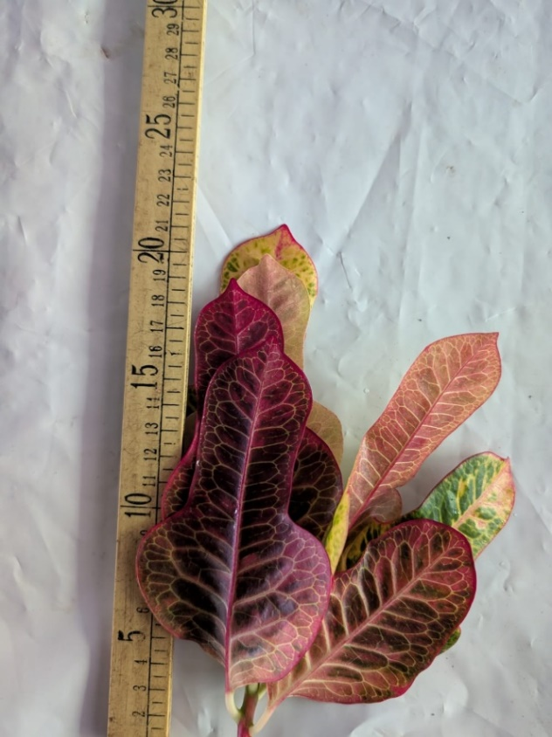
3 | Codieaum gold star | URC | 1P |  | 15/20 | 1000 | Delivery 2 week after order confirmation | 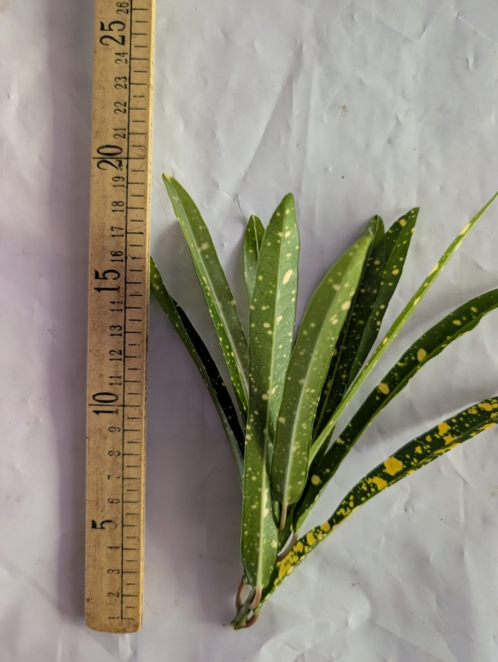
4 | Codiaeum petra | URC | 1P |  | 20/25 | 2500 | Five weeks after order confirmation
5 | Codiaeum petra | URC | 1P |  | 25/30 | 2500 | Delivery 2 week after order confirmation | 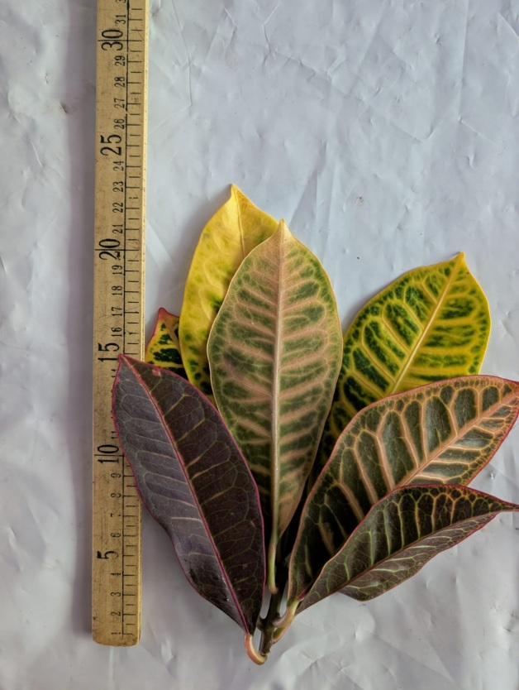
6 | Codieaum red banana | URC | 1P |  | 15/20 | 3000 | Delivery 2 week after order confirmation | 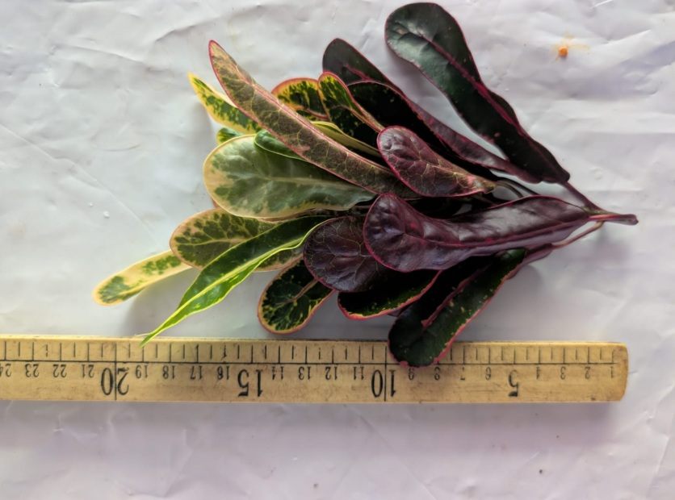
7 | Codiaeum sunny star | URC | 1p |  | 20/25 | 1000 | Delivery 2 week after order confirmation | 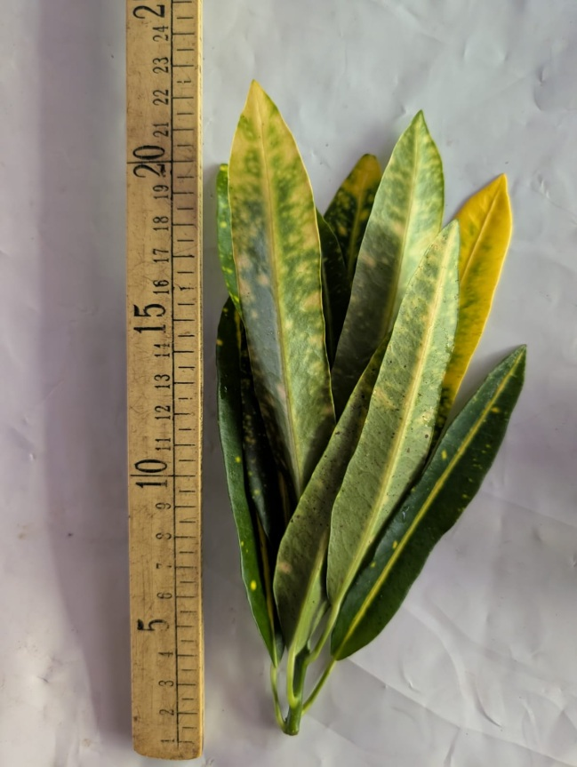
8 | Cordyline purple compacta | URC | 1P |  | 25/30 | 5000 | Delivery 2 week after order confirmation | 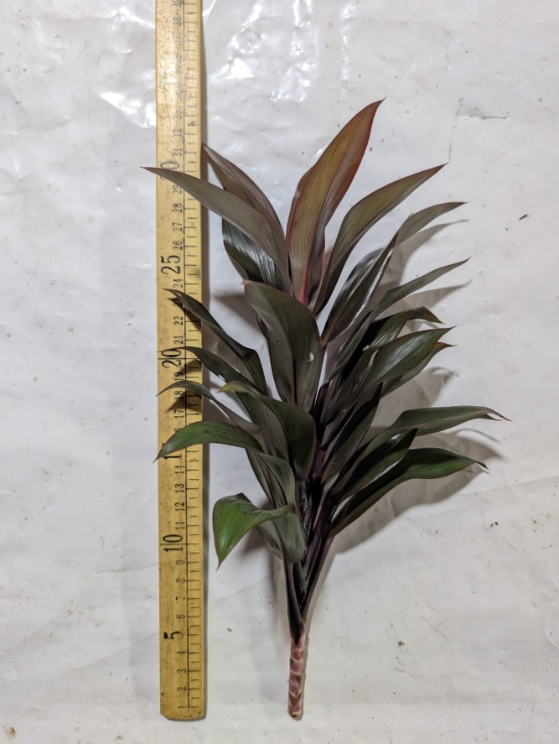
9 | Cordyline purple compacta | Rooted | 3P |  | 20/25 | 1000 | Delivery 6 week after order confirmation | 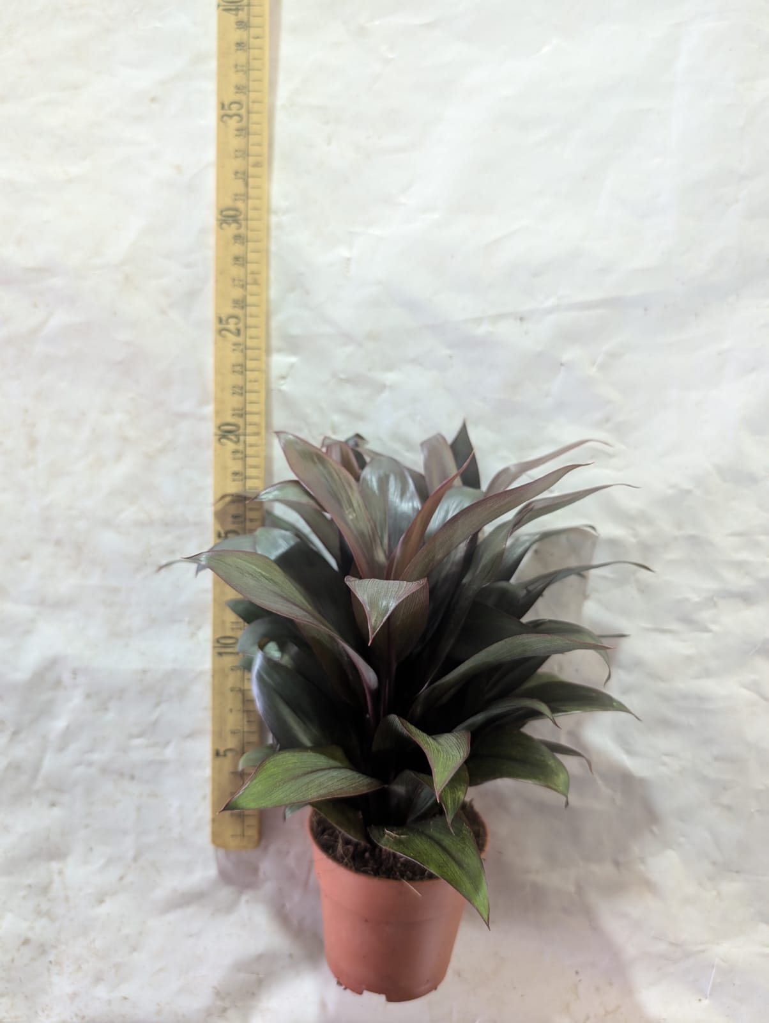
10 | Cordyline purple compacta | Rooted | 3P |  | 10/15 | 1000 | Delivery 6 week after order confirmation | 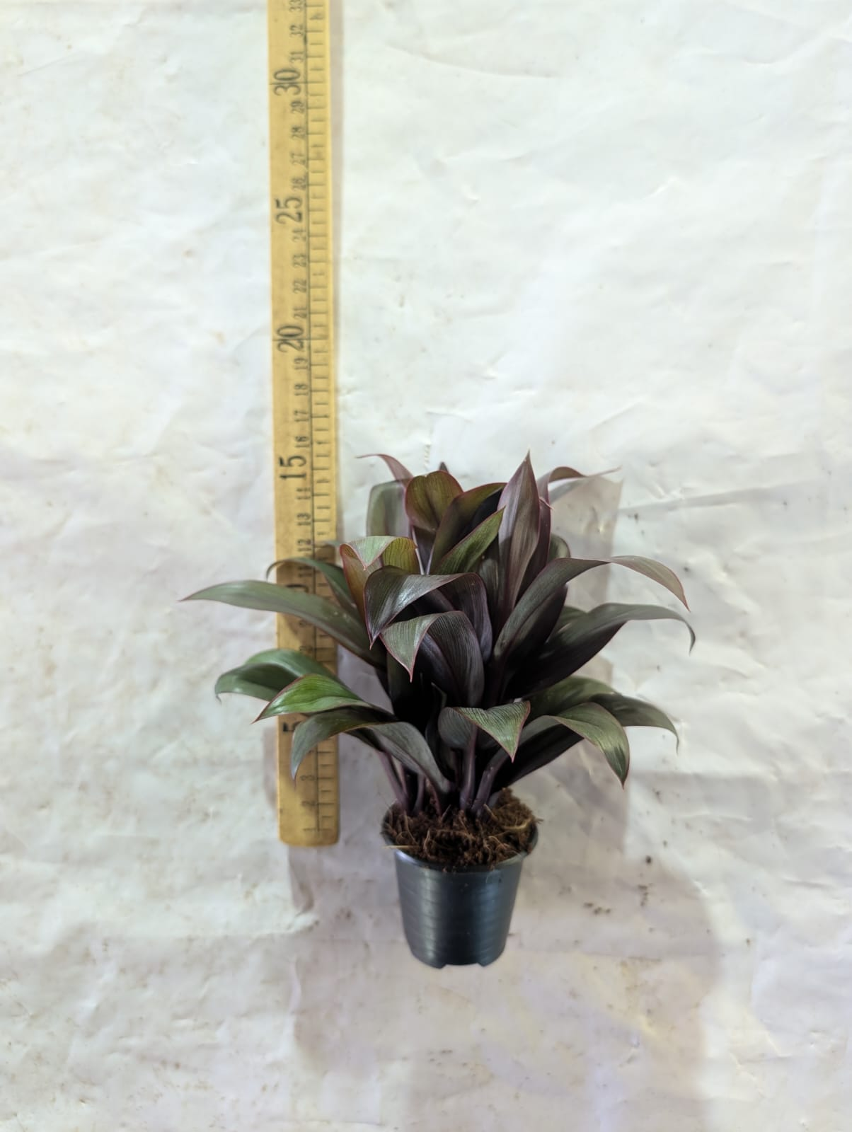
11 | Cordyline purple compacta | Rooted Braided | 6P |  | 30/35 | 700 | Delivery 8 week after order confirmation | 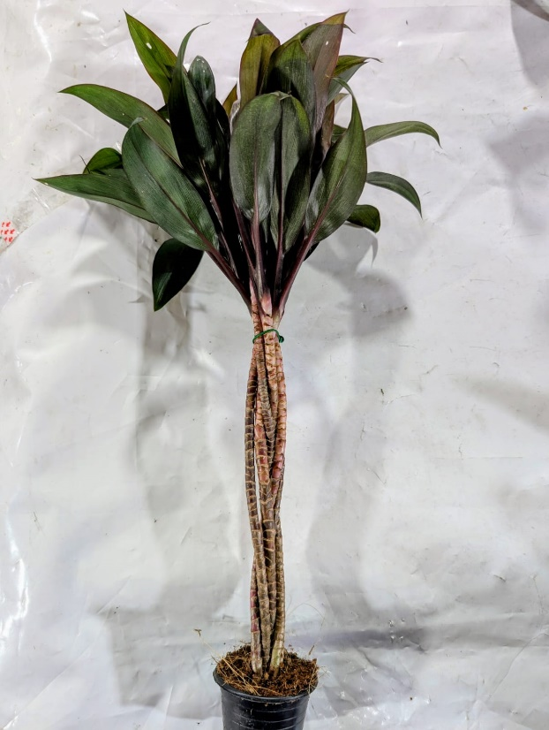
12 | Dracaena reflexa Song of Jameica | URC | 1P |  | 25/30 | 1000 | Delivery 2 week after order confirmation | 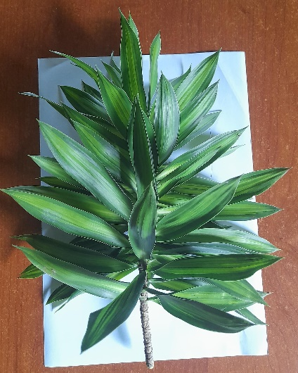
13 | Dracaena reflexa Song of Jameica | URC | 1P |  | 50 | 1000 | Delivery 2 week after order confirmation
14 | Schefflera gold Capella | URC | 1P |  | 15/25 | 500 | Delivery 2 week after order confirmation | 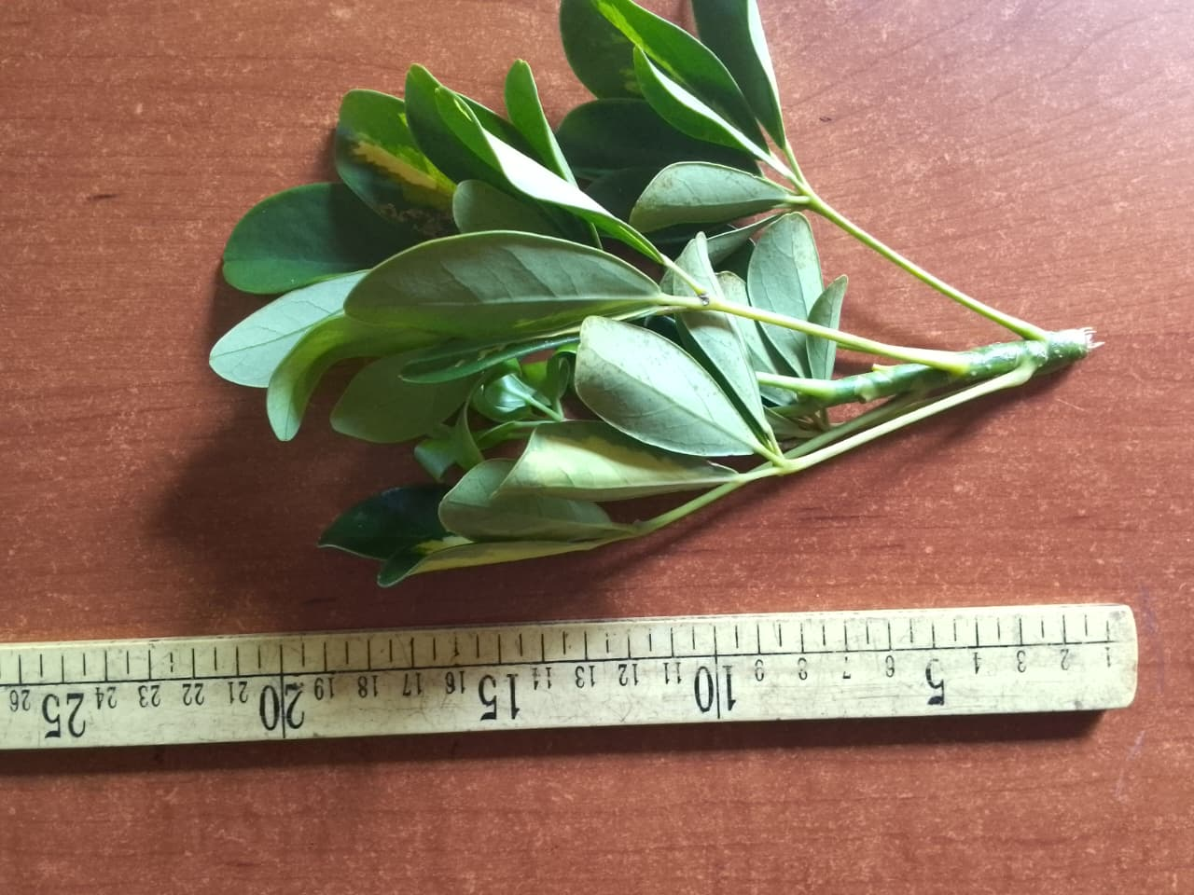
15 | Schefflera green | URC | 1P |  | 15/25 | 1250 | Delivery 2 week after order confirmation | 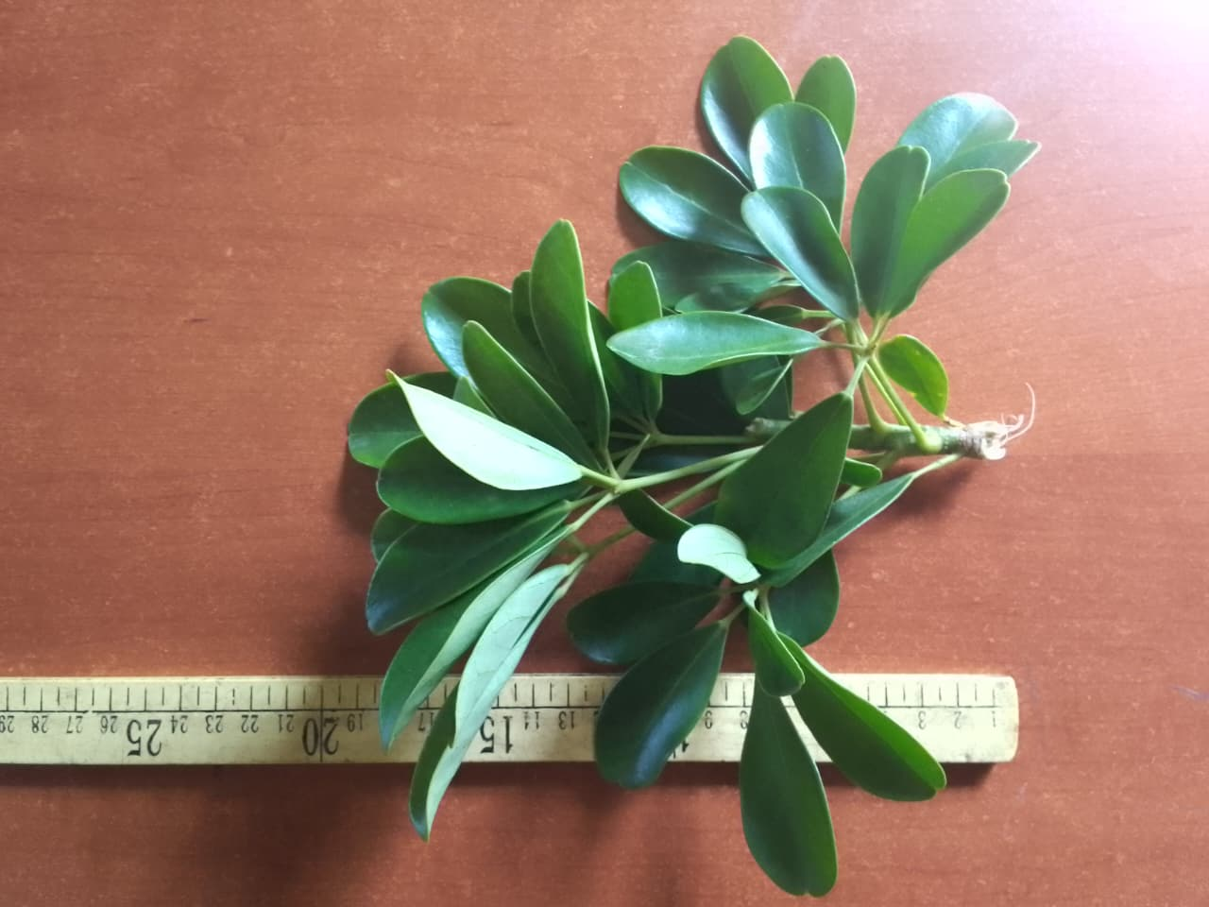
16 | Zamioculcas zamiifolia | Leaves | 1p |  | 7/12 | 25000 | Delivery 2 week after order confirmation | 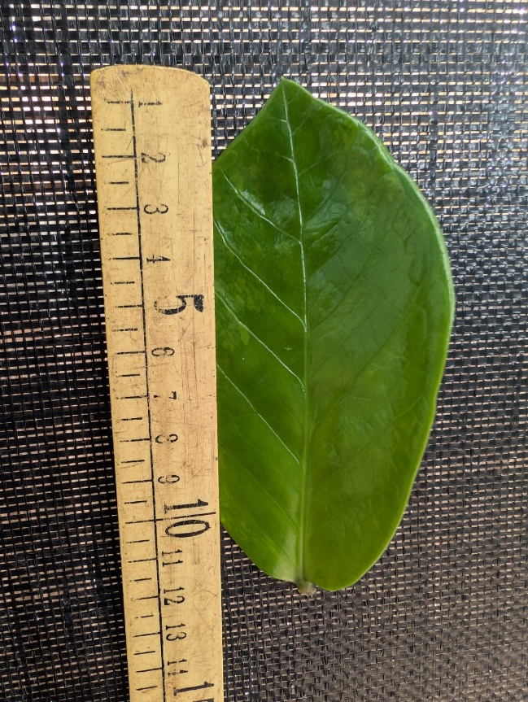
17 | Zamioculcas zamiifolia | URC | 1P |  | 10/12 | 10000 | Delivery 2 week after order confirmation | 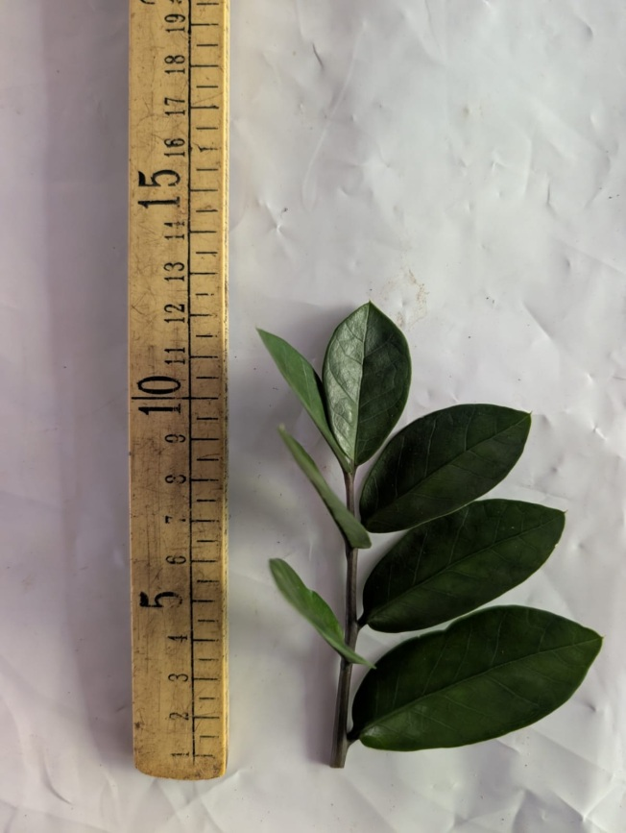
 | Rooted plant
1 | Livistonia rotundifolia | Rooted | 1p 12 cm pots | Coco peat | 15/20 | 2000 | Delivery 3 months after order confirmation | 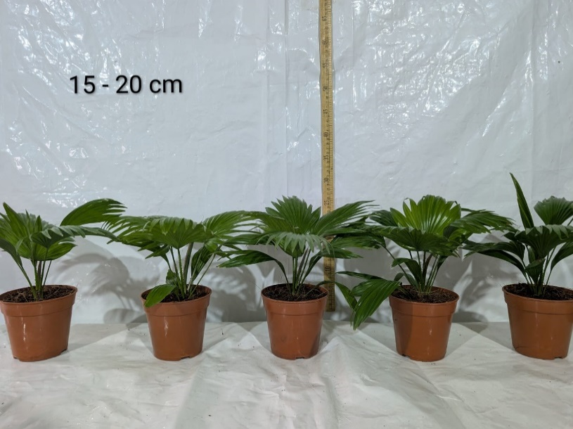

2 | Livistonia rotundifolia | Rooted | 1p 12 cm pots | Coco peat | 20/25 | 5000 | Delivery 03 months after order confirmation | 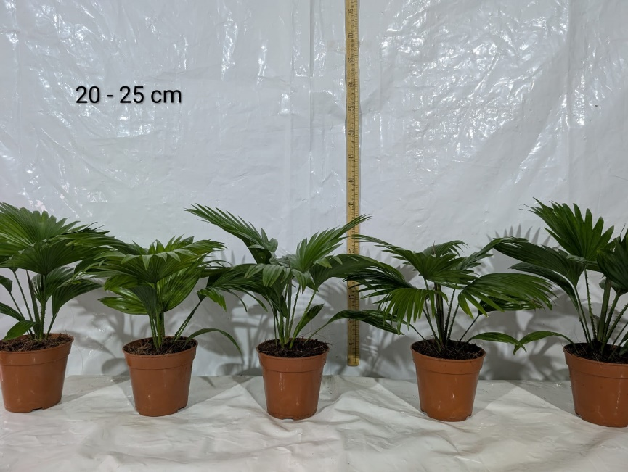

3 | Livistonia rotundifolia | Rooted | 1p 12 cm pots | Coco peat | 25/30 | 3000 | Delivery 3 months after order confirmation | 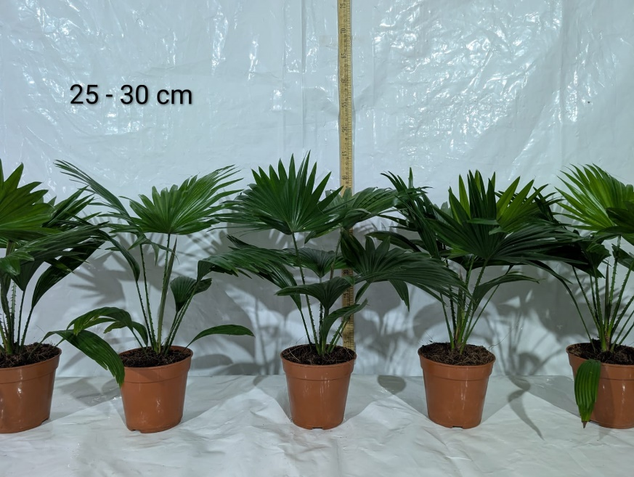

4 | Livistonia rotundifolia | Rooted | 1p 12 cm pots | Coco peat | 30/35 | 5000 | Delivery 03 months after order confirmation | 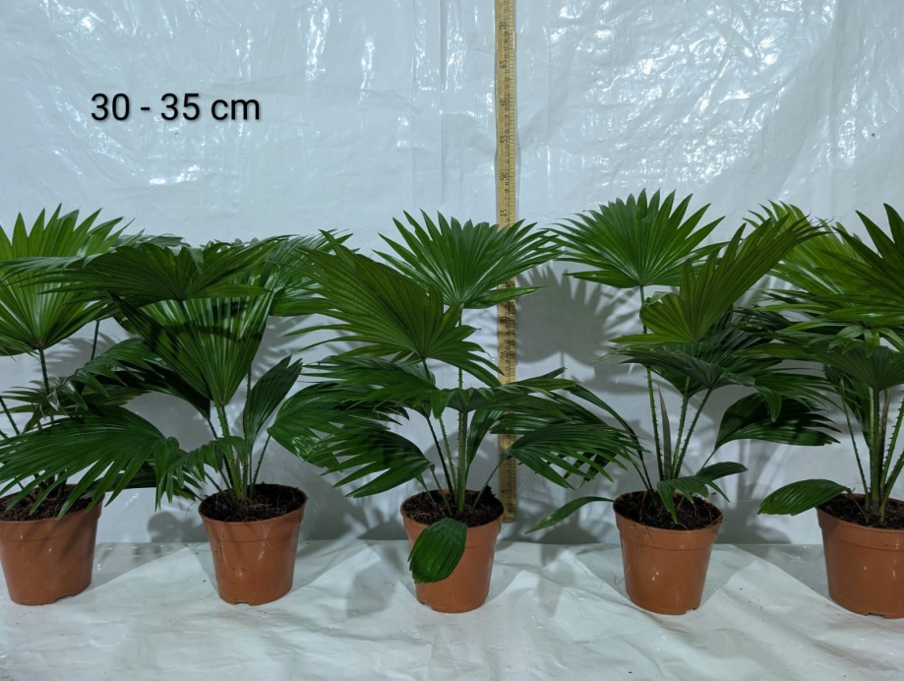

5 | Livistonia rotundifolia | Rooted | 1p 12 cm pots | Coco peat | 35/40 | 4000 | Delivery 03 months after order confirmation | 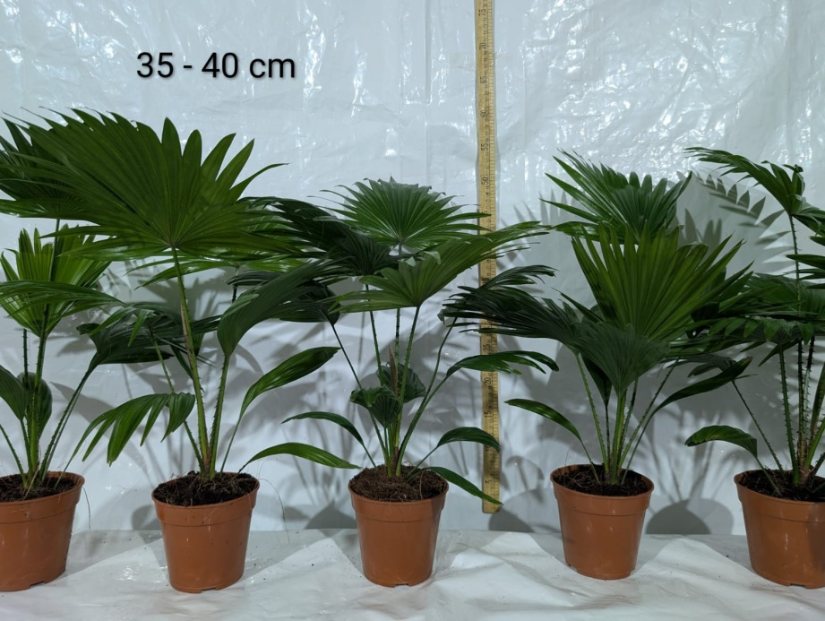

6 | Livistonia rotundifolia | Rooted | 1p 12 cm pots | Coco peat | 40/45 | 3000 | Delivery 03 months after order confirmation

7 | Miscanthus White | Bare root |  |  | 50/60 | 2000 | Delivery 2 week after order confirmation | 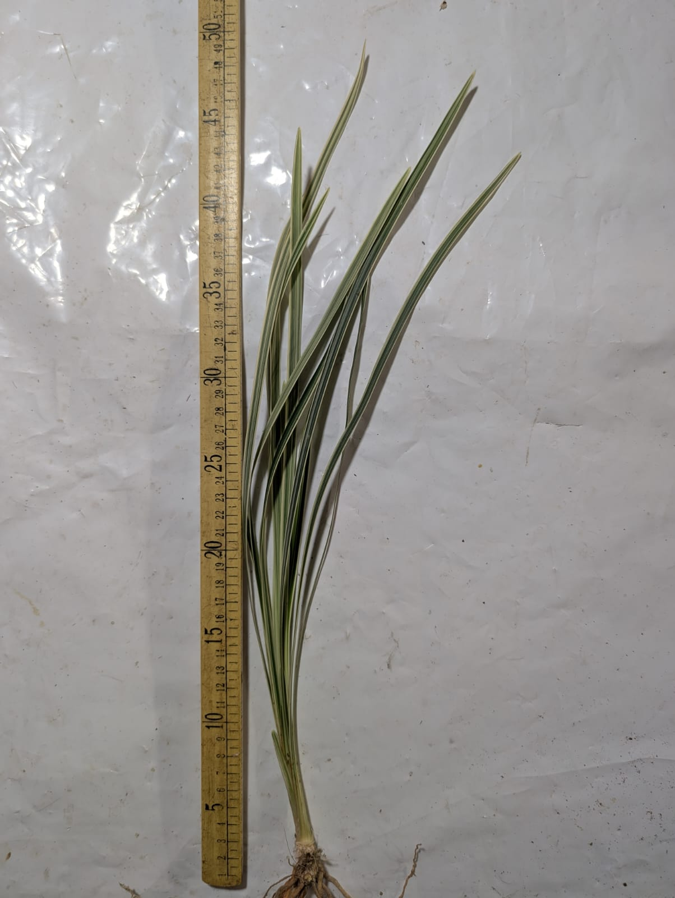
8 | Syngonium pink | Rooted | 1p 5.5 cm pots | Coco peat | 10/12 | 200 | Delivery 02 weeks after order confirmation | 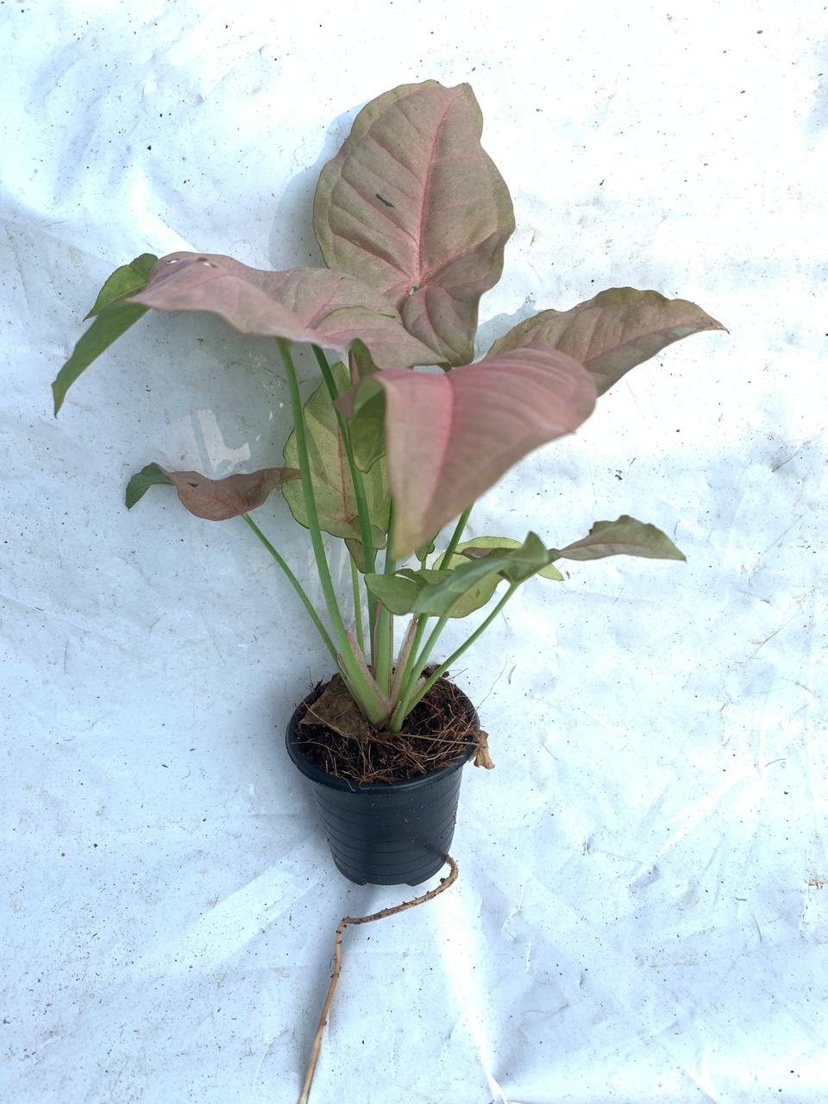

9 | Syngonium pink | Rooted | 1p 5.5 cm pots | Coco peat | 12/15 | 200 | Delivery 02 weeks after order confirmation
10 | Zamioculcas zamiifolia | Rooted | 1p 5.5 cm pots | Coco peat | 10/12 | 650 | Delivery 02 weeks after order confirmation | 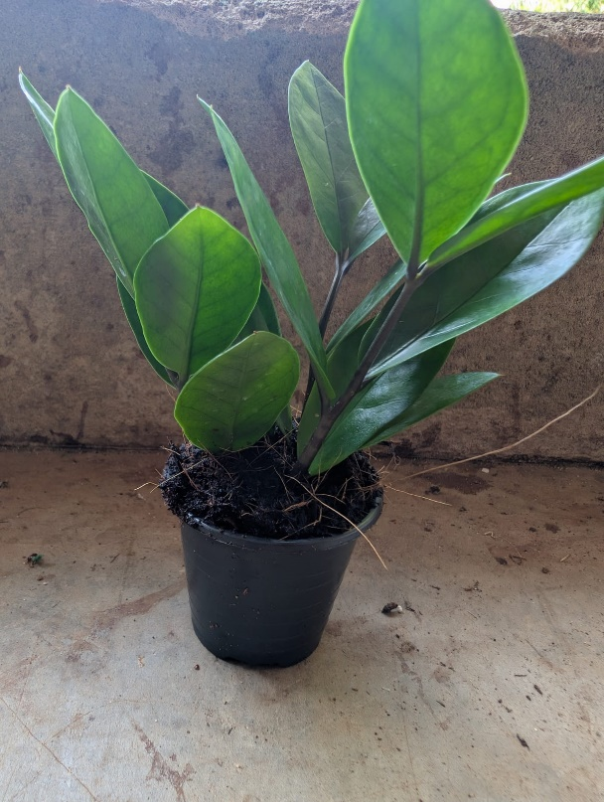
11 | Livistonia seeds |  |  |  |  | 40 kg | Delivery 02 weeks after order confirmation | 